MR4
Template EU MR4 - Comparison of VaR estimates with gains/losses

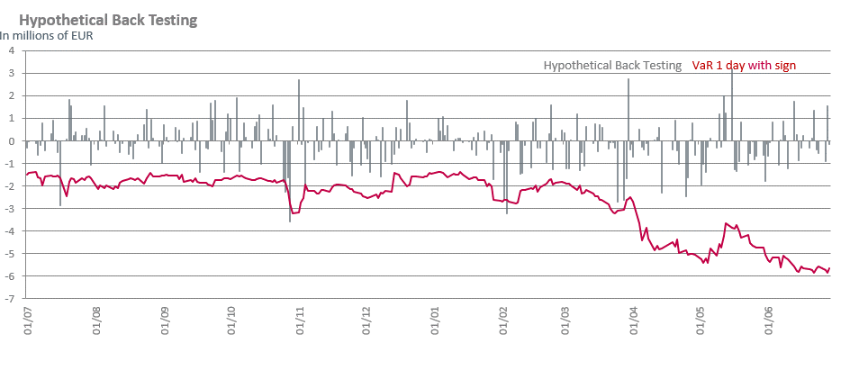

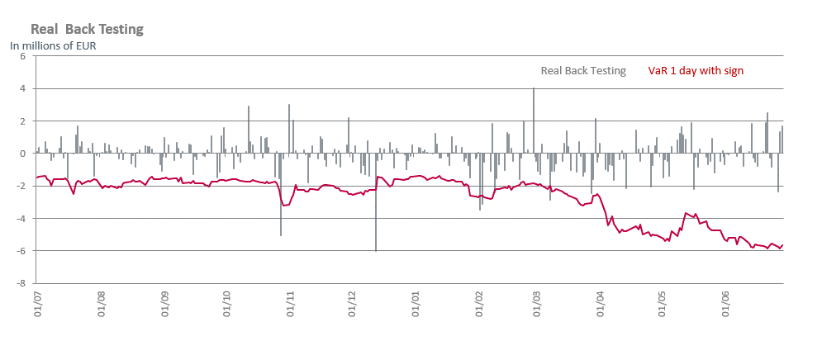

 | For the comments on those graphs, we refer to the section V.3.6 of the Risk report

